Sheet1
 |  | Document No. | Issue No. |  | Issue Date |  | Review and Replace Date |  |  | Authorised By
 |  | GFF303MC | 2 |  | 04.08.2021 |  | 22.09.2021
 |  | Document Title | MOROCCAN LAMB TAGINE WITH TRICOLOUR QUINOA 400G
 |  | tray changed to 2171-1F - FROST |  |  |  | Page |  | 1 of 1 |  | Magda Shah
Document amendments reason for change |  |  |  |  |  | Previous Issue Date |  | 04.08.2021 |  | Uncontrolled copy unless signed original

FLTATQ1-R8TMC | MINDFUL CHEF |  | MOROCCAN LAMB TAGINE WITH TRICOLOUR QUINOA 400G | FROZEN
STEP 1 |  |  |  |  |  | STEP 2
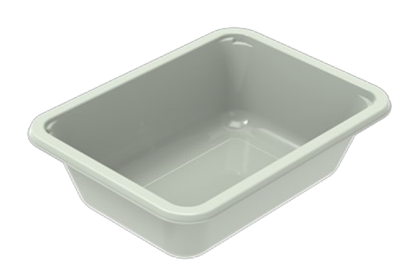 |  |  |  |  |  | 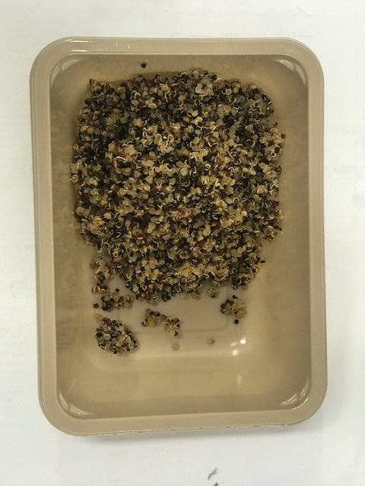

PACK DAY + 1 YEAR
NON-MAP Pack

Tray: EVOLVE CPET 2171-1F FROST (PKRHP001-14) |  |  |  |  |  | Tricolour Quinoa (MC) (GFF262R): 100g
Film: K-Peel 75G + AF 25 250mm (PKKMP001-01)
STEP 3 |  |  |  | STEP 4 |  |  |  |  | STEP 5
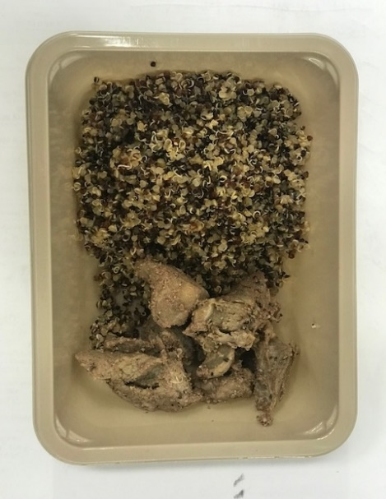 |  |  |  | 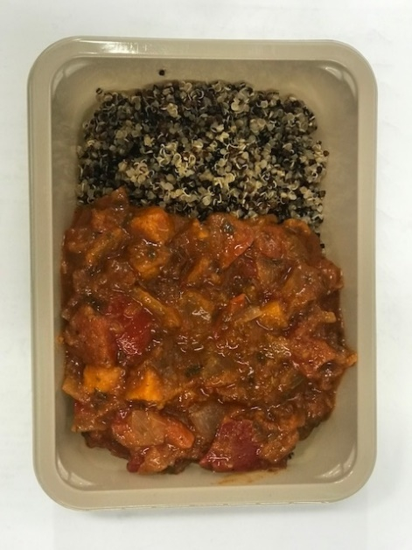 |  |  |  |  | 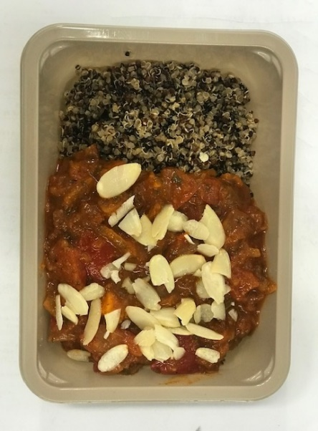

Cooked lamb Shoulder (MC) (GFF389R): 60g |  |  |  | Tagine Sauce (MC) (GFF388R): 235g |  |  |  |  | Pasteurised Almond Flakes (GFF351R): 5g |  | TOTAL WEIGHT: 400g

ALLERGY ALERT: NUTS

